Intro
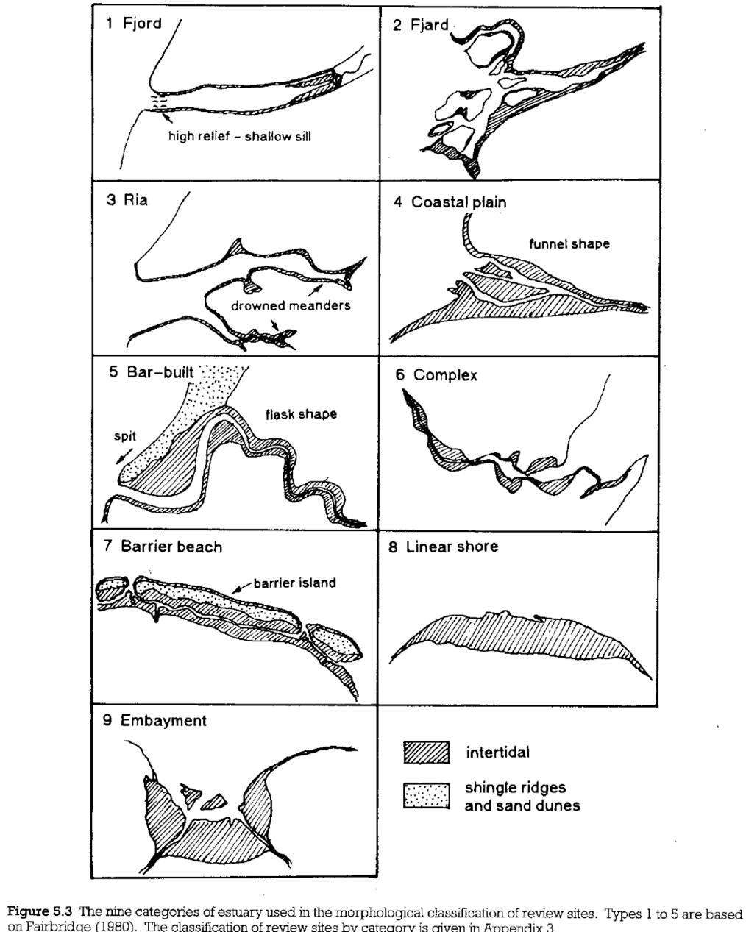
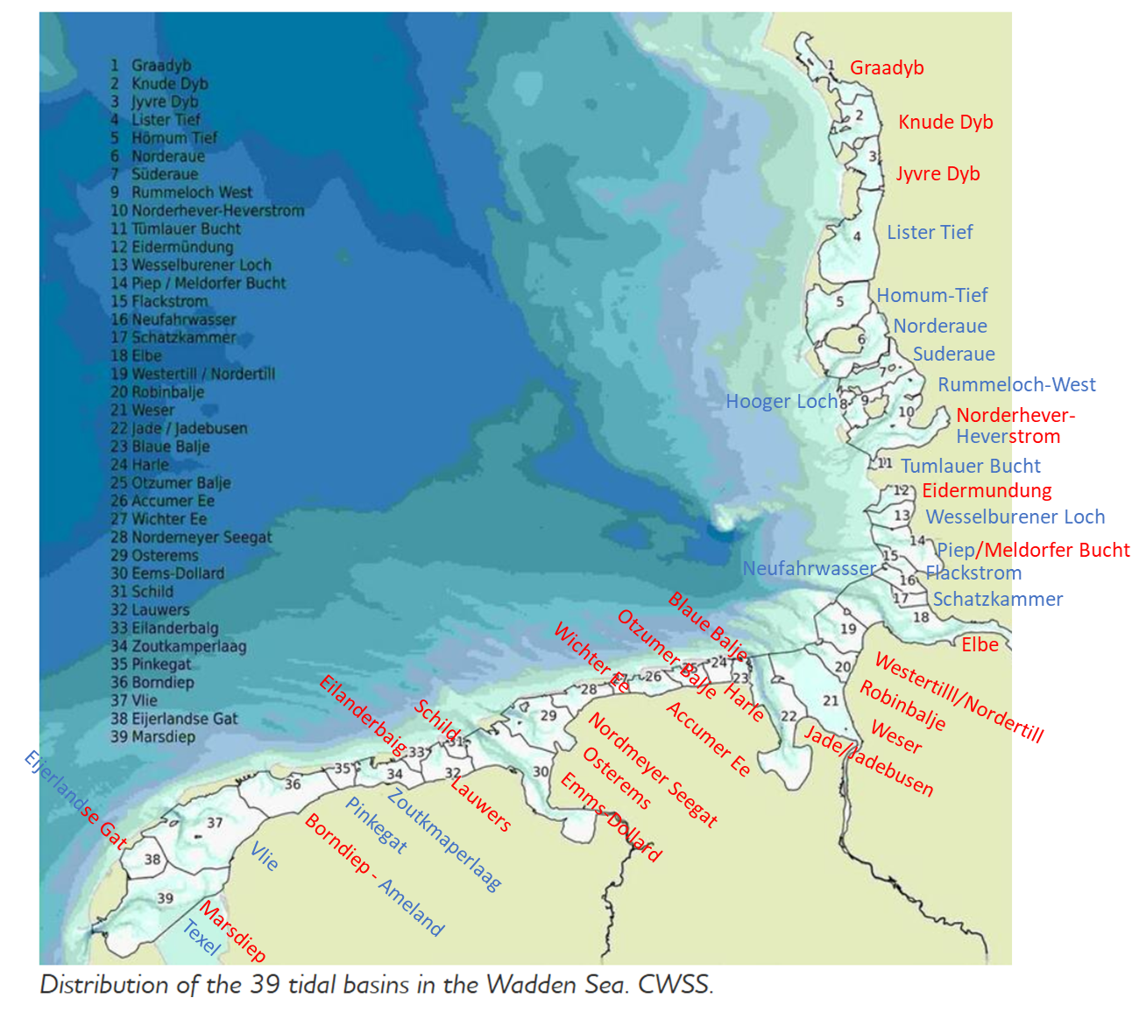
Data sources and maps
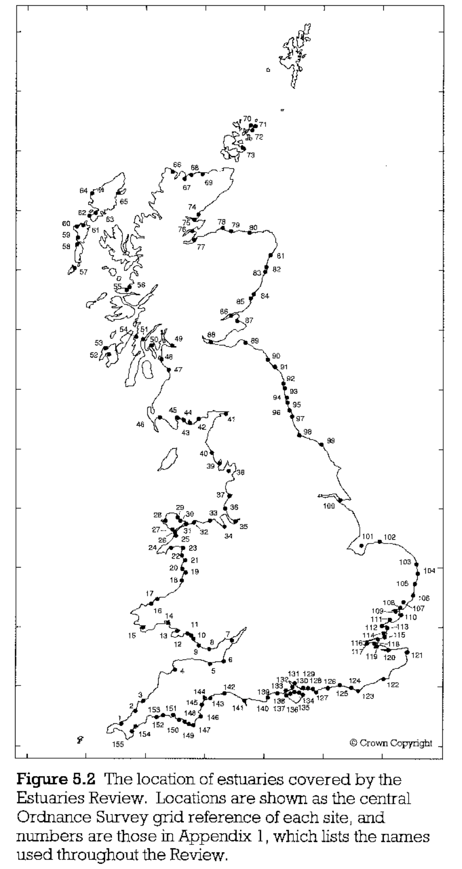

Sheet | Source
Ukdata | England Estuary db.xlsx |  | which compiles UK data from the following sources:
Ukclass | (1) | Davidson N C, Laffoley D d A, Doody J P, Way L S, Gordon J, Key R, Drake C M, Pienkowski M W, Mitchell R and Duff K L, 1991, Nature conservation and estuaries in Great Britain, Nature Conservancy Council, Peterborough, UK.
 | (2) | Townend I H, 2005, An examination of empirical stability relationships for UK estuaries. Journal of Coastal Research, 21 (5), pp. 1042-1053.
 | (3) | Manning A J, 2012, Enhanced UK estuaries database: explanatory notes and metadata, Report No: TR167, pp. 1-20, Wallingford.
 | (4) | Burgess K A, Orford J, Dyer K R, Townend I H and Balson P, 2002, Futurecoast - the integration of knowledge to assess future coastal evolution at a national scale, 28th International Conference on Coastal Engineering, pp. 3221-3233, ASCE, Cardiff.
 | (5) | Williams A, 2007, Development and Demonstration of Systems Based Estuary Simulators (EstSim): Behavioural Statements Report, Defra/Environment Agency Flood and Coastal defence, R&D Programme - FD 2117, Report No: FD2117/PR2, p. 157, ABPmer

WSdata | Yuetal_North_Frissian_Wadden_Sea_data.xlsx
WSclass | Definition of 39 tidal basins is based on map in
 | van Katwijk M M, van Beusekom J E E, Folmer E O, Kolbe K, de Jong D J and Dolch T, 2024, Seagrass recovery trajectories and recovery potential in relation to nutrient reduction. Journal of Applied Ecology, 61 (8), pp. 1784-1804, 10.1111/1365-2664.14704.

